Start Here
Before You Begin

Please have the following information available:

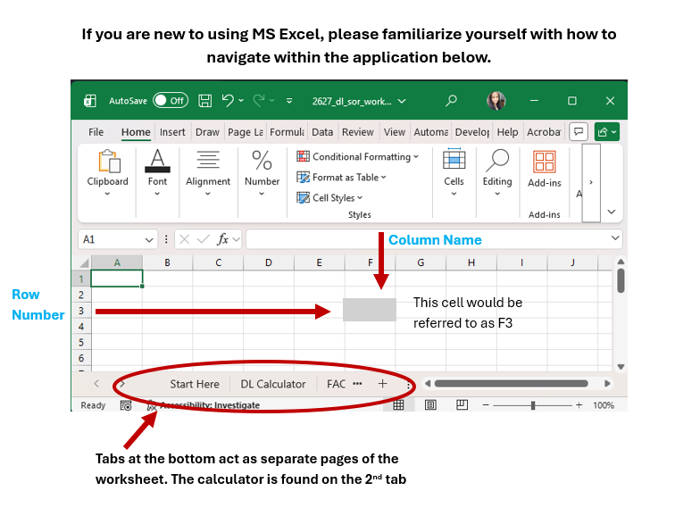
✔ Your total offered and/or accepted federal loan amount for the year
✔ Your Fall 2026 tuition and fees

Please note: This calculator is best utilized when you are already registered in your Fall clasess.
However, you may still use the simulator to estimate what your loan amount will be after reductions are applied.

How to Use the Calculator
The Calculator is located on the second tab of this spreadsheet

Step 1: | Calculate your Expected Direct Loan Disbursement (on the DL Calculator tab below)

Enter your total Federal Direct Loan amount |  |  | UNDERGRADUATE STUDENTS | 👉 Enter that Subsidized amount in Cell D4
Found by using the Financial Aid Card |  |  |  | 👉 Enter that Unsubsidized amount in Cell F4
in myWilmU: My Financial Aid- Offer Tab
 |  |  | GRADUATE STUDENTS | 👉 Enter that Unsubsidized amount in Cell F6

Step 2: | Calculate and enter tuition and fees charges

Add total Fall Tuition & Fees (from your Billing Account) |  |  |  | 👉 Enter that number in Cell B9
Found by using the My Payments Card in MyWilmU
Payment Center Home- View activity- Choose term

Step 3: | View your estimated Account Balance after Loans
Expected Fall Net Direct Loan Disbursement (from the Calculator cell H4 or H6) |  |  |  | 👉 Enter that number in Cell B10
 |  |  |  | 👉 View the amount that you will owe or will be refunded in Cell B11

Have a Pell Grant? |  | Please keep in mind, Pell is AWARDED based on full-time (12 credits), and PAID based on your actual enrollment for the terms (i.e. 6 credits is 25%, 9 credits is 75%, etc.)
Have a Grad Plus Loan? It is also subject to this calculation. Use the calculator at the bottom of the next tab to determine your estimated disbursement amount.

Please Remember

· This calculator provides an estimate based on your current enrollment.
· If your enrollment changes, your financial aid may also change.

